Approval
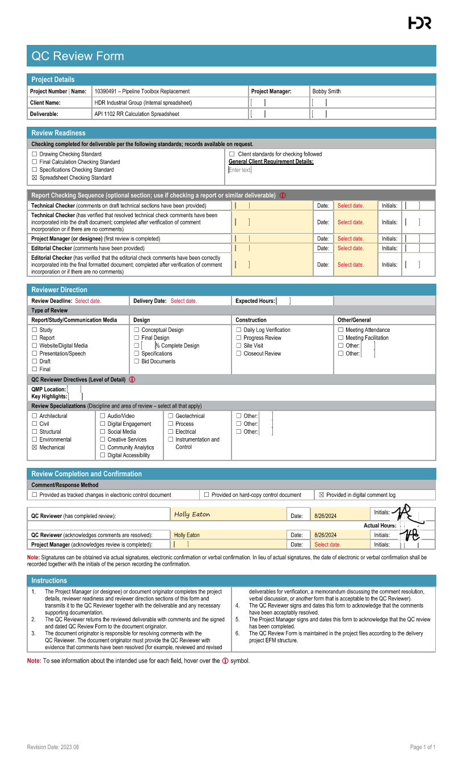

Hand Calcs
Inputs
Pipe Diameter | 12 | in
D - Pipe Outside Diameter | 12.75 | in
tw - Wall Thickness | 0.25 | in
SMYS | 42000 | psi
Design Class Location | 1
F - Design Factor | 0.72
Pipe Class | Electric Resistance Welded
E - Longitudinal Joint Factor | 1
Pipe Material | Steel
Es - Young's Modulus | 30,000,000.00 | psi
v - Poisson's Ratio | 0.3
α - Coefficient of thermal expansion | 0.0000065 | 1/°F
T - Temperature Derating Factor | 1 |  |  |  | Typically equal to 1 near ambient temperature
T2 - Operating Temperature | 70 | °F
P - Operating Pressure | 800 | psi
Soil Type | Soft to medium clays and silts with high plasticities
E' - Modulus of Soil Reaction | 200 | psi
Er - Resilient Modulus | 5000 | psi
γ - Average Unit Weight of Soil | 120 | lb/ft3 |  |  | Typically equal to 120 PCF
H - Pipe Depth | 6 | ft
Bd - Bored Diameter | 14.8 | inch |  |  | Typically equal to D+2
T1 - Installation Temperature | 70 | °F
Number of Tracks | 2
w - Applied Design Surface Pressure | 13.9 | psi |  |  | Typically equal to 13.9

Result | Spreadsheet Calculation |  | Hand Calc Formulas | Hand Calc Results | Source
Shi(Barlow) - Hoop Stress | 20400 | psi | 20400 = 800*12.75/(2*0.25) | 20400
Allowable Hoop Stress | 30240 | psi | 30240 = 0.72*1*1*42000 | 30240
 |  |  |  |  |  | Burial Factor - Earth Load
Khe - Stiffness Factor for Earth Load Circumferential Stress | 3141.1764706 |  |  |  | Refer To "Stiffness Factor - Earth Load" Chart | Data
Be - Burial Factor for Earth Load Circumferential Stress | 1.0658474576 |  |  |  | Refer To "Burial Factor - Earth Load" Chart | H/Bd
Ee - Excavation Factor for Earth Load Circumferential Stress | 1.1041078431 |  |  |  | Refer To "Excavation Factor - Earth Load" Chart
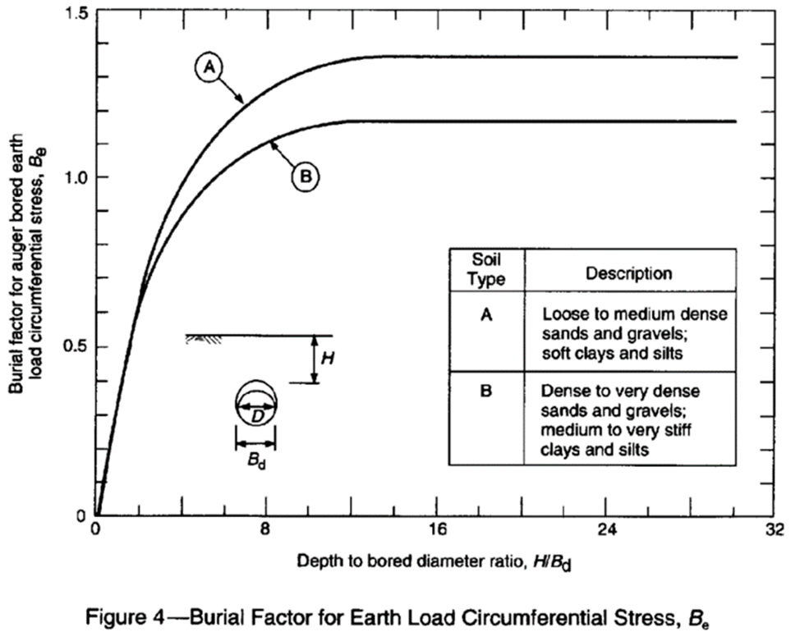
SHe - Circumferential Stress from Earth Load | 3273.0043076 | psi | 3273 = 3141.18*1.07*1.1*(120/12^3)*12.75 | 3273.0043076

Fi - Impact Factor | 1.7263922518 |  |  |  | Refer To "Impact Factor" Chart

Nh - Railroad Double Track Factor for Circumferential Stress | 1.1398775 |  |  |  | Refer To "Railroad Track Factor - Circum." Chart
KHr - Railroad Stiffness Factor for Cyclic Circumferential Stress | 441.03808504 |  |  |  | Refer To "Stiffness Factor - Circum." Chart
GHr - Railroad Geometry Factor for Cyclic Circumferential Stress | 0.674 |  |  |  | Refer To "Geometry Factor - Circum." Chart
SHr - Railroad Cyclic Circumferential Stress | 8131.0840437 | psi | 8131.08 = 441.04*0.67*1.14*1.73*13.9 | 8131.0840437
NL - Railroad Double Track Factor Longitudinal Stress | 1.0207290837 |  |  |  | Refer To "Railroad Track Factor - Long." Chart
KLr - Railroad Stiffness Factor Cyclic Longitudinal Stress | 464.98039216 |  |  |  | Refer To "Stiffness Factor - Long." Chart
GLr - Railroad Geometry Factor Cyclic Longitudinal Stress | 0.82914285714 |  |  |  | Refer To "Geometry Factor - Long." Chart
SLr - Railroad Cyclic Longitudinal Stress | 9443.4083756 | psi | 9443.41 = 464.98*0.83*1.02*1.73*13.9 | 9443.4083756

Shi - Circumferential Stress Due to Internal Pressurization | 20000 | psi | 20000 = 800*(12.75-0.25)/(2*0.25) | 20000
S1 - Maximum Circumferential Stress | 31404.088351 | psi | 31404.09 = 3273+8131.08+20000 | 31404.088351
S2 - Maximum Longitudinal Stress | 16425.309668 | psi | 16425.31 = 9443.41-30000000*0.0000065*(70-70)+0.3*(3273+20000) | 16,425.31
S3 - Maximum Radial Stress Result | -800 | psi | -800 = -800 | -800
Seff - Total Effective Stress | 27912.169483 | psi | 27912.17 = SQRT(0.5*((31404.09-16425.31)^2+(16425.31--800)^2+(-800-31404.09)^2)) | 27912.169483

Allowable Effective Stress | 30240 | psi | 30240 = 42000*0.72 | 30240

Fatigue Resistance of Girth Welds | 12000 |  |  |  | Refer To "Fatigue Endurance Limits Chart" for SFG
Fatigue Resistance of Longitudinal Welds | 21000 |  |  |  | Refer To "Fatigue Endurance Limits Chart" for SFL
Allowable Stress of Girth Welds | 8640 | psi | 8640 = 12000*0.72 | 8640
Allowable Stress of Longitudinal Welds | 15120 | psi | 15120 = 21000*0.72 | 15120

Stress | Calculated (psi) | Allowable (psi) | Pass/Fail
Barlow Stress | 20400 | 30240 | Pass
Effective Stress | 27912.169483 | 30240 | Pass
Girth Welds | 9251.6305519 | 8640 | Fail
Long. Welds | 7133.2963794 | 15120 | Pass

 | Hand Calcs Formulas For Stresses
Barlow Stress | 20400 = 800*12.75/(2*0.25) | 30240 = 0.72*1*1*42000
Effective Stress | 27912.17 = SQRT(0.5*((31404.09-16425.31)^2+(16425.31--800)^2+(-800-31404.09)^2)) | 30240 = 42000*0.72
Girth Welds | 9443.41 = 464.98*0.83*1.02*1.73*13.9 | 8640 = 12000*0.72
Long. Welds | 8131.08 = 441.04*0.67*1.14*1.73*13.9 | 15120 = 21000*0.72

 | Hand Calc Results
Barlow Stress | 20400 | 30240
Effective Stress | 27912.16948 | 30240
Girth Welds | 9443.4083756 | 8640
Long. Welds | 8131.0840437 | 15120

Sources
API Recommended Practice 1102, Seventh Edition, December 2007, Reaffirmed June 2024
49 CFR 192.111
49 CFR 192.113
PE Mechanical Reference Handbook

Tables
 | Nominal Pipe Diameter | 1/4 | 3/8 | 1/2 | 3/4 | 1 | 1-1/4 | 1-1/2 | 2 | 2-1/2 | 3 | 3-1/2 | 4 | 4-1/2 | 5 | 6 | 8 | 10 | 12 | 14 | 16 | 18 | 20 | 24 | 26 | 30 | 36 | 42 | 48 |  | Source: A53/A53M − 24, Table X.2
 | Actual Pipe Diameter | 0.540 | 0.675 | 0.840 | 1.050 | 1.315 | 1.660 | 1.900 | 2.375 | 2.875 | 3.500 | 4.000 | 4.500 | 5.000 | 5.563 | 6.625 | 8.625 | 10.750 | 12.750 | 14.000 | 16.000 | 18.000 | 20.000 | 24.000 | 26.000 | 30.000 | 36.000 | 42.000 | 48.000
 | Wall Thickness | 0.065 | 0.065 | 0.083 | 0.083 | 0.109 | 0.109 | 0.109 | 0.109 | 0.120 | 0.120 | 0.120 | 0.120 | 0.247 | 0.134 | 0.134 | 0.148 | 0.165 | 0.180 | 0.188 | 0.188 | 0.188 | 0.218 | 0.250 | 0.250 | 0.312 | 0.312 | 0.375 | 0.375
 |  | 0.088 | 0.091 | 0.109 | 0.113 | 0.133 | 0.140 | 0.145 | 0.154 | 0.203 | 0.216 | 0.226 | 0.125 | 0.355 | 0.156 | 0.188 | 0.188 | 0.188 | 0.203 | 0.210 | 0.219 | 0.250 | 0.250 | 0.281 | 0.281 | 0.375 | 0.375 | 0.500 | 0.500
 |  | 0.119 | 0.126 | 0.147 | 0.154 | 0.179 | 0.191 | 0.200 | 0.218 | 0.276 | 0.300 | 0.318 | 0.156 |  | 0.188 | 0.219 | 0.203 | 0.203 | 0.219 | 0.219 | 0.250 | 0.281 | 0.281 | 0.312 | 0.312 | 0.438 | 0.500
 |  |  |  | 0.188 | 0.219 | 0.250 | 0.250 | 0.281 | 0.344 | 0.375 | 0.438 | 0.636 | 0.188 |  | 0.219 | 0.250 | 0.219 | 0.219 | 0.250 | 0.250 | 0.281 | 0.312 | 0.312 | 0.344 | 0.344 | 0.500 | 0.625
 |  |  |  | 0.294 | 0.308 | 0.358 | 0.358 | 0.400 | 0.436 | 0.552 | 0.600 |  | 0.219 |  | 0.258 | 0.280 | 0.250 | 0.250 | 0.281 | 0.281 | 0.312 | 0.344 | 0.344 | 0.375 | 0.375 | 0.625 | 0.750
 |  |  |  |  |  | 0.382 |  |  |  |  |  |  | 0.237 |  | 0.281 | 0.312 | 0.277 | 0.279 | 0.312 | 0.312 | 0.344 | 0.375 | 0.375 | 0.406 | 0.406
 |  |  |  |  |  |  |  |  |  |  |  |  | 0.250 |  | 0.312 | 0.344 | 0.312 | 0.307 | 0.330 | 0.344 | 0.375 | 0.438 | 0.406 | 0.438 | 0.438
 |  |  |  |  |  |  |  |  |  |  |  |  | 0.281 |  | 0.344 | 0.375 | 0.322 | 0.344 | 0.344 | 0.375 | 0.438 | 0.469 | 0.438 | 0.469 | 0.500
 |  |  |  |  |  |  |  |  |  |  |  |  | 0.312 |  | 0.375 | 0.432 | 0.344 | 0.365 | 0.375 | 0.438 | 0.500 | 0.500 | 0.469 | 0.500 | 0.562
 |  |  |  |  |  |  |  |  |  |  |  |  | 0.337 |  | 0.500 | 0.500 | 0.375 | 0.438 | 0.406 | 0.469 | 0.656 | 0.562 | 0.500 | 0.562
 |  |  |  |  |  |  |  |  |  |  |  |  | 0.438 |  | 0.625 | 0.562 | 0.406 | 0.500 | 0.438 | 0.500 | 0.812 | 0.656 | 0.594 | 0.688
 |  |  |  |  |  |  |  |  |  |  |  |  | 0.531 |  | 0.750 | 0.719 | 0.438 | 0.594 | 0.500 | 0.594 | 0.844 | 0.688 | 0.812 | 0.938
 |  |  |  |  |  |  |  |  |  |  |  |  | 0.674 |  |  | 0.864 | 0.500 | 0.719 | 0.562 | 0.750 | 1.031 | 0.750 | 1.031 | 0.969
 |  |  |  |  |  |  |  |  |  |  |  |  |  |  |  |  | 0.594 | 0.844 | 0.688 | 0.938 | 1.220 | 0.938 | 1.281 | 1.219
 |  |  |  |  |  |  |  |  |  |  |  |  |  |  |  |  | 0.719 | 1.000 | 0.844 | 1.094 | 1.281 | 1.156 | 1.500 | 1.531
 |  |  |  |  |  |  |  |  |  |  |  |  |  |  |  |  | 0.812 | 1.125 | 1.000 | 1.250 | 1.438 | 1.375 | 1.750 | 1.812
 |  |  |  |  |  |  |  |  |  |  |  |  |  |  |  |  | 0.875 |  | 1.125 | 1.406 | 1.500 | 1.531 | 1.969 | 2.062
 |  |  |  |  |  |  |  |  |  |  |  |  |  |  |  |  | 0.906 |  | 1.312 | 2.000 | 1.594 | 1.562 |  | 2.344
 |  |  |  |  |  |  |  |  |  |  |  |  |  |  |  |  |  |  |  | 2.125 | 1.750 | 1.781
 |  |  |  |  |  |  |  |  |  |  |  |  |  |  |  |  |  |  |  | 2.200 | 1.969 | 1.812
 |  |  |  |  |  |  |  |  |  |  |  |  |  |  |  |  |  |  |  | 2.500 |  | 2.062
 |  |  |  |  |  |  |  |  |  |  |  |  |  |  |  |  |  |  |  |  |  | 2.344

 | Selected Nominal Pipe Diameter | Wall Thickness Options
 | 12 | 0.180 | 0.203 | 0.219 | 0.250 | 0.281 | 0.312 | 0.330 | 0.344 | 0.375 | 0.406 | 0.438 | 0.500 | 0.562 | 0.688 | 0.844 | 1.000 | 1.125 | 1.312 |  |  |  |  | <--This table is used to populate wall thickness dropdown options based on the pipe diameter that is selected

Pipe Specification | Grades
ASTM A53 | A | B
ASTM A106 | A | B
ASTM A333 | Grade 1 | Grade 3 | Grade 4 | Grade 6 | Grade 7 | Grade 8 | Grade 9 | Grade 10 | Grade 11
ASTM A671 | CA55 | CB60 | CB65 | CB70 | CC60 | CC65 | CC70 | CD70 | CD80 | CF65 | CF70 | CF66 | CF71 | CG100 | CH100 | CJ101 | CJ102 | CJ103 | CJ104 | CJ105 | CJ106 | CJ107 | CJ108 | CJ109 | CJ110 | CJ111 | CJ112 | CJ113 | CK75 | CP65 | CP75
ASTM A672 | A45 | A50 | A55 | B60 | B65 | B70 | C55 | C60 | C65 | C70 | D70 | D80 | H75 | H80 | J80 | J90 | J100 | K75 | K85 | L65 | L70 | L75 | N75
ASTM A691 | CM-65 | CM-70 | CM-75 | CMSH-70 | CMS-75 | CMSH-80 | 1/2 CR | 1 CR | 1 1/4 CR | 2 1/4 CR | 3CR | 5CR | 9CR | 91
API 5L | X42 | X46 | X52 | X56 | X60 | X65 | X70 | X80
Unknown | Unknown

Pipe Specification | Grades and SMYS
ASTM A53 | A | B
ASTM A53 SMYS | 30000 | 35000
ASTM A106 | A | B
ASTM A106 SMYS | 30000 | 35000
ASTM A333 | Grade 1 | Grade 3 | Grade 4 | Grade 6 | Grade 7 | Grade 8 | Grade 9 | Grade 10 | Grade 11
ASTM A333 SMYS | 30000 | 35000 | 35000 | 35000 | 35000 | 75000 | 46000 | 65000 | 35000
ASTM A671 | CA55 | CB60 | CB65 | CB70 | CC60 | CC65 | CC70 | CD70 | CD80 | CF65 | CF70 | CF66 | CF71 | CG100 | CH100 | CJ101 | CJ102 | CJ103 | CJ104 | CJ105 | CJ106 | CJ107 | CJ108 | CJ109 | CJ110 | CJ111 | CJ112 | CJ113 | CK75 | CP65 | CP75
ASTM A671 SMYS | 30000 | 32000 | 35000 | 38000 | 32000 | 35000 | 38000 | 50000 | 60000 | 37000 | 40000 | 37000 | 40000 | 100000 | 100000 | 100000 | 100000 | 100000 | 100000 | 100000 | 100000 | 100000 | 100000 | 100000 | 100000 | 100000 | 100000 | 100000 | 42000 | 65000 | 75000
ASTM A672 | A45 | A50 | A55 | B60 | B65 | B70 | C55 | C60 | C65 | C70 | D70 | D80 | H75 | H80 | J80 | J90 | J100 | K75 | K85 | L65 | L70 | L75 | N75
ASTM A672 SMYS | 24000 | 27000 | 30000 | 32000 | 35000 | 38000 | 30000 | 32000 | 35000 | 38000 | 50000 | 60000 | 45000 | 50000 | 50000 | 70000 | 83000 | 45000 | 47000 | 37000 | 40000 | 43000 | 42000
ASTM A691 | CM-65 | CM-70 | CM-75 | CMSH-70 | CMS-75 | CMSH-80 | 1/2 CR | 1 CR | 1 1/4 CR | 2 1/4 CR | 3CR | 5CR | 9CR | 91
ASTM A691 SMYS | 37000 | 40000 | 43000 | 50000 | 42000 | 60000 | 45000 | 40000 | 45000 | 45000 | 45000 | 45000 | 45000 | 60000
API 5L | X42 | X46 | X52 | X56 | X60 | X65 | X70 | X80
API 5L SMYS | 42000 | 46000 | 52000 | 56000 | 60000 | 65000 | 70000 | 80000
Unknown | Unknown
Unknown SMYS | 24000

Selected Pipe Specification | Pipe Grade Options
API 5L | X42 | X46 | X52 | X56 | X60 | X65 | X70 | X80
API 5L SMYS | 42000 | 46000 | 52000 | 56000 | 60000 | 65000 | 70000 | 80000 | 0 | 0 | 0 | 0 | 0 | 0 | 0 | 0 | 0 | 0 | 0 | 0 | 0 | 0 | 0 | 0 | 0 | 0 | 0 | 0 | 0 | 0 | 0

Pipe Specification | Weld Seam Type |  |  |  |  | Source: Per seam factors listed within individual codes (ASTM A53, ASTM A106, ASTM A333, ASTM A671, ASTM A672, ASTM A691, API 5L)
ASTM A53 | Seamless | Electric Resistance Welded | Furnace Butt Welded |  |  | <-- This table lists valid weld seam types for each pipe specification
ASTM A53 Weld Seam Factor | 1.0 | 1.0 | 0.6
ASTM A106 | Seamless
ASTM A106 Weld Seam Factor | 1.0
ASTM A333 | Seamless | Electric Resistance Welded | Submerged Arc Welded
ASTM A333 Weld Seam Factor | 1.0 | 1.0 | 1.0
ASTM A671 | Electric Fusion Welded, Even Class | Electric Fusion Welded, Odd Class |  |  |  | <-- ASTM A671 even classes: 1.0. Odd classes: 0.8.
ASTM A671 Weld Seam Factor | 1.0 | 0.8
ASTM A672 | Electric Fusion Welded, Even Class | Electric Fusion Welded, Odd Class |  |  |  | <-- ASTM A672 even classes: 1.0. Odd classes: 0.8.
ASTM A672 Weld Seam Factor | 1.0 | 0.8
ASTM A691 | Electric Fusion Welded, Even Class | Electric Fusion Welded, Odd Class |  |  |  | <-- ASTM A691 even classes: 1.0. Odd classes: 0.8.
ASTM A691 Weld Seam Factor | 1.0 | 0.8
API 5L | Seamless | Electric Resistance Welded | Submerged Arc Welded | Furnace Butt Welded | Combination Welded
API 5L Weld Seam Factor | 1.0 | 1.0 | 1.0 | 0.6 | 1.0
Unknown | Unknown | Unknown |  |  |  | <-- Unknown, under 4": 0.6. Over 4": 0.8
Unknown Weld Seam Factor | 0.8 | 0.6

Selected Pipe Specification | Weld Seam Options |  |  |  |  | <-- This table provides dropdown options for weld seam types for each specification
API 5L | Seamless | Electric Resistance Welded | Submerged Arc Welded | Furnace Butt Welded | Combination Welded
API 5L Weld Seam Factor | 1 | 1 | 1 | 0.6 | 1

 |  |  |  |  |  | Design Factor (As defined in ASME B31.8-2022, Chapter 4, Table 841.114B)
 |  |  |  |  |  |  | Class Location
 |  |  |  |  |  | Pipeline Location | 1 | 2 | 3 | 4
 |  |  |  |  |  | Pipelines, mains, and service lines | 0.72 | 0.6 | 0.5 | 0.4
 |  |  |  |  |  | Crossing Railroads, Public Roads, Highways, or Streets without Casing | 0.6 | 0.5 | 0.5 | 0.4
 |  |  |  |  |  | Crossing Railroads, Public Roads, Highways, or Streets with Casing | 0.72 | 0.6 | 0.5 | 0.4
 |  |  |  |  |  | Parallel encroachment of Railroads, Public Roads, Highways, or Streets | 0.6 | 0.6 | 0.5 | 0.4
 |  |  |  |  |  | Fabricated Assemblies | 0.6 | 0.6 | 0.5 | 0.4
 |  |  |  |  |  | Pipelines on bridges | 0.6 | 0.6 | 0.5 | 0.4
 |  |  |  |  |  | Pressure/Flow Control ans Metering Facilities | 0.6 | 0.6 | 0.5 | 0.4
 |  |  |  |  |  | At Compressor Station | 0.5 | 0.5 | 0.5 | 0.4
Charts |  |  |  |  |  | Near Concentration of people in Location Classes 1 and 2 | 0.5 | 0.5 | 0.5 | 0.4
Stiffness Factor - Earth Load
Burial Factor - Earth Load
Excavation Factor - Earth Load
Impact Factor
Railroad Track Factor - Circum.
Stiffness Factor - Circum.
Geometry Factor - Circum.
Railroad Track Factor - Long.
Stiffness Factor - Long.
Geometry Factor - Long.
Fatigue Endurance Limits

Soil Type Options | E' (psi) | Er (psi)
Soft to medium clays and silts with high plasticities | 200 | 5000
Soft to medium clays and silts with low to medium plasticities | 500 | 5000
Loose sands and gravels | 500 | 10000
Stiff to very stiff clays and silts | 1000 | 10000
Medium Dense sands and gravels | 1000 | 10000
Dense to very dense sands and gravels | 2000 | 20000

Design Class Location | Design Factor
1 | 0.72
2 | 0.6
3 | 0.5
4 | 0.4

Longitudinal Joint Factor
Pipe Class | Longitudinal Joint Factor
Seamless | 1
Electric Resistance Welded | 1
Furnace Butt Welded | 0.6
Double Submerged Arc Welded | 1
Electric-Fusion Welded | 1
Submerged Arc Welded | 1
Unknown Pipe Over 4 Inches | 0.8
Unknown Pipe 4 Inches or Less | 0.6

Typical Material Properties
Material | Elastic Modulus (psi) | Poisson's Ratio | Coefficient of Thermal Expansion(1/10^-6F
Steel | 29000000 | 0.3 | 0.0000065
Aluminum | 10000000 | 0.33 | 0.0000131
Cast Iron | 14500000 | 0.21 | 0.0000067
Wood (Fir) | 1600000 | 0.33 | 0.0000017
Brass | 14800000 | 0.33 | 0.0000104
Copper | 17000000 | 0.36 | 0.0000093
Bronze | 13900000 | 0.34 | 0.00001
Magnesium | 6500000 | 0.35 | 0.000014
Glass | 10200000 | 0.22 | 0.000005
Polystyrene | 300000 | 0.34 | 0.0000389

Pipe Size | Outside Diameter
1/8 | 0.405
1/4 | 0.54
3/8 | 0.675
1/2 | 0.84
3/4 | 1.05
1 | 1.315
1-1/4 | 1.66
1-1/2 | 1.9
2 | 2.375
2-1/2 | 2.875
3 | 3.5
3-1/2 | 4
4 | 4.5
5 | 5.563
6 | 6.625
8 | 8.625
10 | 10.75
12 | 12.75
14 | 14
16 | 16
18 | 18
20 | 20
22 | 22
24 | 24
26 | 26
28 | 28
30 | 30
32 | 32
34 | 34
36 | 36
38 | 38
40 | 40
42 | 42
44 | 44
46 | 46
48 | 48

SMYS's
24000
30000
35000
42000
46000
52000
56000
60000
65000
70000
80000

Stiffness Factor for Earth Load Circumferential Stress (Khe)
Stiffness Factor for Earth Load Circumferential Stress
E = .2 ksi |  | E = .5 ksi |  | E = 1 ksi |  | E = 2 ksi
X (tw/D) | Y (Khe) | X (tw/D) | Y (Khe) | X (tw/D) | Y (Khe) | X (tw/D) | Y (Khe)
0 | 11632 | 0 | 7625 | 0 | 5772 | 0 | 4443
0.00726 | 11632 | 0.00726 | 7625 | 0.00738 | 5772 | 0.00726 | 4443
0.00811 | 11632 | 0.00792 | 7625 | 0.00775 | 5449 | 0.00775 | 4000
0.00825 | 11338 | 0.00825 | 7286 | 0.00825 | 5175 | 0.00825 | 3804
0.01 | 8552 | 0.01 | 6280 | 0.01 | 4499 | 0.01 | 3208
0.0125 | 6564 | 0.0125 | 5374 | 0.0125 | 3882 | 0.0125 | 2777
0.015 | 4873 | 0.015 | 4305 | 0.015 | 3261 | 0.015 | 2404
0.0175 | 3900 | 0.0175 | 3476 | 0.0175 | 2791 | 0.0175 | 2145
0.02 | 3000 | 0.02 | 2663 | 0.02 | 2292 | 0.02 | 1852
0.025 | 1781 | 0.025 | 1642 | 0.025 | 1545 | 0.025 | 1387
0.03 | 1153 | 0.03 | 1077 | 0.03 | 1066 | 0.03 | 1000
0.035 | 819 | 0.035 | 819 | 0.035 | 819 | 0.035 | 819
0.04 | 642 | 0.04 | 642 | 0.04 | 642 | 0.04 | 642
0.045 | 525 | 0.045 | 525 | 0.045 | 525 | 0.045 | 525
0.05 | 460 | 0.05 | 460 | 0.05 | 460 | 0.05 | 460
0.055 | 393 | 0.055 | 393 | 0.055 | 393 | 0.055 | 393
0.06 | 335 | 0.06 | 335 | 0.06 | 335 | 0.06 | 335
0.065 | 273 | 0.065 | 273 | 0.065 | 273 | 0.065 | 273
0.07 | 207 | 0.07 | 207 | 0.07 | 207 | 0.07 | 207
0.075 | 143 | 0.075 | 143 | 0.075 | 143 | 0.075 | 143
0.08 | 88 | 0.08 | 88 | 0.08 | 88 | 0.08 | 88
5 | 88 | 5 | 88 | 5 | 88 | 5 | 88

Burial Factor Earth Load
Type A |  | Type B
X (H/Bd) | Y (Be) | X (H/Bd) | Y (Be)
0 | 0 | 0 | 0
1 | 0.321 | 1 | 0.321
Burial Factor for Earth Load (Be)
2 | 0.644 | 2 | 0.631
3 | 0.844 | 3 | 0.776
4 | 0.983 | 4 | 0.893
5 | 1.077 | 5 | 0.964
6 | 1.162 | 6 | 1.032
7 | 1.215 | 7 | 1.071
8 | 1.26 | 8 | 1.108
9 | 1.295 | 9 | 1.133
10 | 1.325 | 10 | 1.152
11 | 1.342 | 11 | 1.164
12 | 1.356 | 12 | 1.172
13 | 1.363 | 13 | 1.173
14 | 1.364 | 14 | 1.173
15 | 1.364 | 15 | 1.173
16 | 1.364 | 16 | 1.173
17 | 1.364 | 17 | 1.173
18 | 1.364 | 18 | 1.173
19 | 1.364 | 19 | 1.173
20 | 1.364 | 20 | 1.173
21 | 1.364 | 21 | 1.173
22 | 1.364 | 22 | 1.173
23 | 1.364 | 23 | 1.173
24 | 1.364 | 24 | 1.173
25 | 1.364 | 25 | 1.173
26 | 1.364 | 26 | 1.173
27 | 1.364 | 27 | 1.173
28 | 1.364 | 28 | 1.173
29 | 1.364 | 29 | 1.173
30 | 1.364 | 30 | 1.173
31 | 1.364 | 31 | 1.173
32 | 1.364 | 32 | 1.173
60 | 1.364 | 60 | 1.173

Excavation Factor (Ee)
Impact Factor (Fi) - Railroad
5.22 | 1.75
30 | 1
100 | 1
Excavation Factor
X (Bd/D) | Y (Ee)
1 | 0.8307
1.05 | 0.909
1.1 | 0.9966
1.15 | 1.0903
1.2 | 1.1909
1.25 | 1.2941
1.3 | 1.4
5 | 9.2366

Impact Factor
Y (H) | X (Fi)
0 | 1.75
5.22 | 1.75
30 | 1
100 | 1

Railroad Stiffness Factor for Cyclic Circumferential Stress (KHr)
Railroad Stiffness Factor for Cyclic Circumferential Stress
Er = 5 ksi |  | Er = 10 ksi |  | Er = 20 ksi
X (tw/D) | Y (KHr) | X (tw/D) | Y (KHr) | X (tw/D) | Y (KHr)
0 | 454 | 0 | 315 | 0 | 196
0.01058 | 454 | 0.01058 | 315 | 0.01058 | 196
0.01296 | 474 | 0.01296 | 336 | 0.01296 | 226
0.01444 | 474 | 0.01444 | 339 | 0.01444 | 233
0.01867 | 451 | 0.01867 | 332 | 0.01867 | 240
0.02526 | 381 | 0.02526 | 295 | 0.02526 | 226
0.03515 | 240 | 0.03515 | 211 | 0.03515 | 179
0.04258 | 183 | 0.04258 | 165 | 0.04258 | 148
0.05015 | 143 | 0.05015 | 131 | 0.05015 | 119
0.06518 | 87 | 0.06518 | 79 | 0.06518 | 72
0.08 | 48 | 0.08 | 42 | 0.08 | 37
5 | 48 | 5 | 42 | 5 | 37

Railroad Geometry Factor for Cyclic Circumferential Stress (GHr)

Railroad Geometry Factor for Cyclic Circumferential Stress
H = 6' |  | H = 10' |  | H = 14'
X (D) | Y (GHr) | X (D) | Y (GHr) | X (D) | Y (GHr)
0 | 1.006 | 0 | 0.681 | 0 | 0.486
2 | 1.006 | 2 | 0.681 | 2 | 0.486
4 | 1.061 | 4 | 0.72 | 4 | 0.513
6 | 1.085 | 6 | 0.73 | 6 | 0.513
8 | 1.08 | 8 | 0.724 | 8 | 0.507
10 | 1.048 | 10 | 0.706 | 10 | 0.495
12 | 1 | 12 | 0.681 | 12 | 0.483
18 | 0.882 | 18 | 0.625 | 18 | 0.451
24 | 0.781 | 24 | 0.573 | 24 | 0.421
34 | 0.653 | 34 | 0.501 | 34 | 0.374
42 | 0.579 | 42 | 0.453 | 42 | 0.34
100 | 0.579 | 100 | 0.453 | 100 | 0.34

Railroad Double Track Factor for Circumferential Stress (NH)
Railroad Double Track Factor for Cyclic Circumferential Stress
H = 6' |  | H = 10' |  | H = 14'
X (D) | Y (NH) | X (D) | Y (NH) | X (D) | Y (NH)
0 | 1.0628 | 0 | 1.2107 | 0 | 1.3595
2 | 1.0628 | 2 | 1.2107 | 2 | 1.3595
42 | 1.3496 | 42 | 1.4106 | 42 | 1.562
100 | 1.76546 | 100 | 1.700455 | 100 | 1.855625

Grade and Pipe Type | Grade | Pipe Type | SFG | SFL
24000 Seamless | 24000 | Seamless | 12000 | 21000
30000 Seamless | 30000 | Seamless | 12000 | 21000
35000 Seamless | 35000 | Seamless | 12000 | 21000
42000 Seamless | 42000 | Seamless | 12000 | 21000
46000 Seamless | 46000 | Seamless | 12000 | 21000
52000 Seamless | 52000 | Seamless | 12000 | 21000
56000 Seamless | 56000 | Seamless | 12000 | 23000
60000 Seamless | 60000 | Seamless | 12000 | 23000
65000 Seamless | 65000 | Seamless | 12000 | 23000
70000 Seamless | 70000 | Seamless | 12000 | 25000
80000 Seamless | 80000 | Seamless | 12000 | 27000
24000 Electric Resistance Welded | 24000 | Electric Resistance Welded | 12000 | 21000
30000 Electric Resistance Welded | 30000 | Electric Resistance Welded | 12000 | 21000
35000 Electric Resistance Welded | 35000 | Electric Resistance Welded | 12000 | 21000
42000 Electric Resistance Welded | 42000 | Electric Resistance Welded | 12000 | 21000
46000 Electric Resistance Welded | 46000 | Electric Resistance Welded | 12000 | 21000
52000 Electric Resistance Welded | 52000 | Electric Resistance Welded | 12000 | 21000
56000 Electric Resistance Welded | 56000 | Electric Resistance Welded | 12000 | 23000
60000 Electric Resistance Welded | 60000 | Electric Resistance Welded | 12000 | 23000
65000 Electric Resistance Welded | 65000 | Electric Resistance Welded | 12000 | 23000
70000 Electric Resistance Welded | 70000 | Electric Resistance Welded | 12000 | 25000
80000 Electric Resistance Welded | 80000 | Electric Resistance Welded | 12000 | 27000
24000 Furnace Butt Welded | 24000 | Furnace Butt Welded | 12000 | 21000
30000 Furnace Butt Welded | 30000 | Furnace Butt Welded | 12000 | 21000
35000 Furnace Butt Welded | 35000 | Furnace Butt Welded | 12000 | 21000
42000 Furnace Butt Welded | 42000 | Furnace Butt Welded | 12000 | 21000
46000 Furnace Butt Welded | 46000 | Furnace Butt Welded | 12000 | 21000
52000 Furnace Butt Welded | 52000 | Furnace Butt Welded | 12000 | 21000
56000 Furnace Butt Welded | 56000 | Furnace Butt Welded | 12000 | 23000
60000 Furnace Butt Welded | 60000 | Furnace Butt Welded | 12000 | 23000
65000 Furnace Butt Welded | 65000 | Furnace Butt Welded | 12000 | 23000
70000 Furnace Butt Welded | 70000 | Furnace Butt Welded | 12000 | 25000
80000 Furnace Butt Welded | 80000 | Furnace Butt Welded | 12000 | 27000
24000 Double Submerged Arc Welded | 24000 | Double Submerged Arc Welded | 12000 | 12000
30000 Double Submerged Arc Welded | 30000 | Double Submerged Arc Welded | 12000 | 12000
35000 Double Submerged Arc Welded | 35000 | Double Submerged Arc Welded | 12000 | 12000
42000 Double Submerged Arc Welded | 42000 | Double Submerged Arc Welded | 12000 | 12000
46000 Double Submerged Arc Welded | 46000 | Double Submerged Arc Welded | 12000 | 12000
52000 Double Submerged Arc Welded | 52000 | Double Submerged Arc Welded | 12000 | 12000
56000 Double Submerged Arc Welded | 56000 | Double Submerged Arc Welded | 12000 | 12000
60000 Double Submerged Arc Welded | 60000 | Double Submerged Arc Welded | 12000 | 12000
65000 Double Submerged Arc Welded | 65000 | Double Submerged Arc Welded | 12000 | 12000
70000 Double Submerged Arc Welded | 70000 | Double Submerged Arc Welded | 12000 | 13000
80000 Double Submerged Arc Welded | 80000 | Double Submerged Arc Welded | 12000 | 14000
24000 Electric-Fusion Welded | 24000 | Electric-Fusion Welded | 12000 | 21000
30000 Electric-Fusion Welded | 30000 | Electric-Fusion Welded | 12000 | 21000
35000 Electric-Fusion Welded | 35000 | Electric-Fusion Welded | 12000 | 21000
42000 Electric-Fusion Welded | 42000 | Electric-Fusion Welded | 12000 | 21000
46000 Electric-Fusion Welded | 46000 | Electric-Fusion Welded | 12000 | 21000
52000 Electric-Fusion Welded | 52000 | Electric-Fusion Welded | 12000 | 21000
56000 Electric-Fusion Welded | 56000 | Electric-Fusion Welded | 12000 | 23000
60000 Electric-Fusion Welded | 60000 | Electric-Fusion Welded | 12000 | 23000
65000 Electric-Fusion Welded | 65000 | Electric-Fusion Welded | 12000 | 23000
70000 Electric-Fusion Welded | 70000 | Electric-Fusion Welded | 12000 | 25000
80000 Electric-Fusion Welded | 80000 | Electric-Fusion Welded | 12000 | 27000
24000 Submerged Arc Welded | 24000 | Submerged Arc Welded | 12000 | 12000
30000 Submerged Arc Welded | 30000 | Submerged Arc Welded | 12000 | 12000
35000 Submerged Arc Welded | 35000 | Submerged Arc Welded | 12000 | 12000
42000 Submerged Arc Welded | 42000 | Submerged Arc Welded | 12000 | 12000
46000 Submerged Arc Welded | 46000 | Submerged Arc Welded | 12000 | 12000
52000 Submerged Arc Welded | 52000 | Submerged Arc Welded | 12000 | 12000
56000 Submerged Arc Welded | 56000 | Submerged Arc Welded | 12000 | 12000
60000 Submerged Arc Welded | 60000 | Submerged Arc Welded | 12000 | 12000
65000 Submerged Arc Welded | 65000 | Submerged Arc Welded | 12000 | 12000
70000 Submerged Arc Welded | 70000 | Submerged Arc Welded | 12000 | 13000
80000 Submerged Arc Welded | 80000 | Submerged Arc Welded | 12000 | 14000
24000 Unknown Pipe Over 4 Inches | 24000 | Unknown Pipe Over 4 Inches | 12000 | 12000
30000 Unknown Pipe Over 4 Inches | 30000 | Unknown Pipe Over 4 Inches | 12000 | 12000
35000 Unknown Pipe Over 4 Inches | 35000 | Unknown Pipe Over 4 Inches | 12000 | 12000
42000 Unknown Pipe Over 4 Inches | 42000 | Unknown Pipe Over 4 Inches | 12000 | 12000
46000 Unknown Pipe Over 4 Inches | 46000 | Unknown Pipe Over 4 Inches | 12000 | 12000
52000 Unknown Pipe Over 4 Inches | 52000 | Unknown Pipe Over 4 Inches | 12000 | 12000
56000 Unknown Pipe Over 4 Inches | 56000 | Unknown Pipe Over 4 Inches | 12000 | 12000
60000 Unknown Pipe Over 4 Inches | 60000 | Unknown Pipe Over 4 Inches | 12000 | 12000
65000 Unknown Pipe Over 4 Inches | 65000 | Unknown Pipe Over 4 Inches | 12000 | 12000
70000 Unknown Pipe Over 4 Inches | 70000 | Unknown Pipe Over 4 Inches | 12000 | 13000
80000 Unknown Pipe Over 4 Inches | 80000 | Unknown Pipe Over 4 Inches | 12000 | 14000
24000 Unknown Pipe 4 Inches or Less | 24000 | Unknown Pipe 4 Inches or Less | 12000 | 12000
30000 Unknown Pipe 4 Inches or Less | 30000 | Unknown Pipe 4 Inches or Less | 12000 | 12000
35000 Unknown Pipe 4 Inches or Less | 35000 | Unknown Pipe 4 Inches or Less | 12000 | 12000
42000 Unknown Pipe 4 Inches or Less | 42000 | Unknown Pipe 4 Inches or Less | 12000 | 12000
46000 Unknown Pipe 4 Inches or Less | 46000 | Unknown Pipe 4 Inches or Less | 12000 | 12000
52000 Unknown Pipe 4 Inches or Less | 52000 | Unknown Pipe 4 Inches or Less | 12000 | 12000
56000 Unknown Pipe 4 Inches or Less | 56000 | Unknown Pipe 4 Inches or Less | 12000 | 12000
Railroad Stiffness Factor for Cyclic Longitudinal Stress (KLr)
60000 Unknown Pipe 4 Inches or Less | 60000 | Unknown Pipe 4 Inches or Less | 12000 | 12000
65000 Unknown Pipe 4 Inches or Less | 65000 | Unknown Pipe 4 Inches or Less | 12000 | 12000
70000 Unknown Pipe 4 Inches or Less | 70000 | Unknown Pipe 4 Inches or Less | 12000 | 13000
80000 Unknown Pipe 4 Inches or Less | 80000 | Unknown Pipe 4 Inches or Less | 12000 | 14000

Railroad Stiffness Factor for Cyclic Longitudinal Stress
Er = 5 ksi |  | Er = 10 ksi |  | Er = 20 ksi
X (tw/D) | Y (KLr) | X (tw/D) | Y (KLr) | X (tw/D) | Y (KLr)
0 | 550 | 0 | 384 | 0 | 258
0.0103 | 550 | 0.0103 | 384 | 0.0103 | 258
0.015 | 500 | 0.015 | 340 | 0.015 | 232
0.02 | 462 | 0.02 | 313 | 0.02 | 216
0.03 | 412 | 0.03 | 274 | 0.03 | 192
0.05 | 318 | 0.05 | 212 | 0.05 | 152
0.08 | 228 | 0.08 | 169 | 0.08 | 126
5 | 228 | 5 | 169 | 5 | 126

Railroad Geometry Factor for Cyclic Longitudinal Stress (GLr)
Railroad Geometry Factor for Cyclic Longitudinal Stress
H = 6' |  | H = 10' |  | H = 14'
X (D) | Y (GLr) | X (D) | Y (GLr) | X (D) | Y (GLr)
0 | 2.261 | 0 | 1.705 | 0 | 1.243
2 | 2.261 | 2 | 1.705 | 2 | 1.243
4 | 1.531 | 4 | 1.117 | 4 | 0.852
6 | 1.245 | 6 | 0.916 | 6 | 0.679
8 | 1.115 | 8 | 0.819 | 8 | 0.582
10 | 1.038 | 10 | 0.773 | 10 | 0.541
12 | 0.987 | 12 | 0.74 | 12 | 0.516
26 | 0.7 | 26 | 0.532 | 26 | 0.381
42 | 0.404 | 42 | 0.312 | 42 | 0.231
100 | 0.404 | 100 | 0.312 | 100 | 0.231

Railroad Double Track Factor for Cyclic Longitudinal Stress
H = 6' |  | H = 10' |  | H = 14'
X (NL) | Y (NL) | X (NL) | Y (NL) | X (NL) | Y (NL)
0 | 1.033 | 0 | 1.033 | 0 | 1.132
2.19 | 1.033 | 2.19 | 1.033 | 2.19 | 1.132
Railroad Double Track Factor for Longitudinal Stress (NL)
14.238 | 1.019 | 14.238 | 1.07 | 14.238 | 1.32
24.507 | 1.008 | 24.507 | 1.1 | 24.507 | 1.308
42 | 1.29 | 42 | 1.453 | 42 | 1.497
100 | 2.2250025725 | 100 | 2.6234110216 | 100 | 2.1236506603

Sources
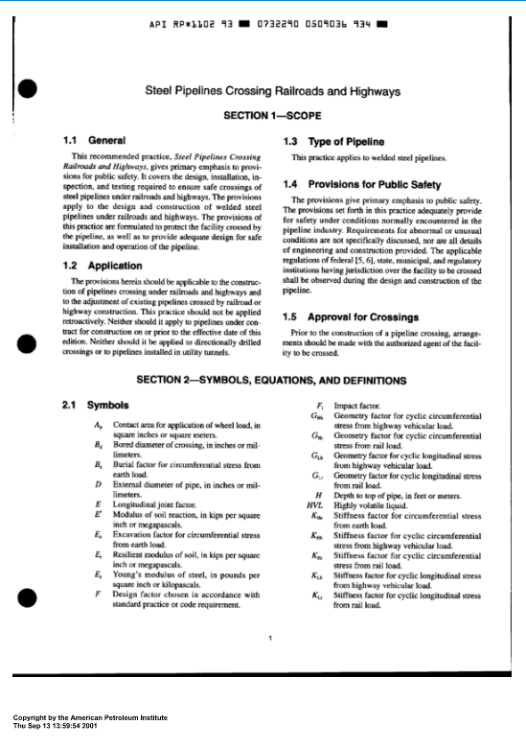
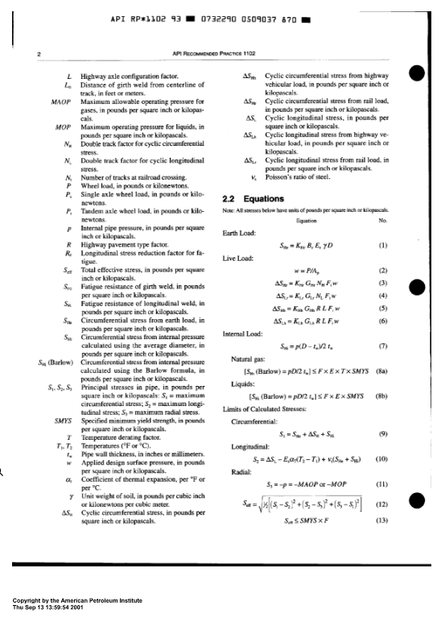
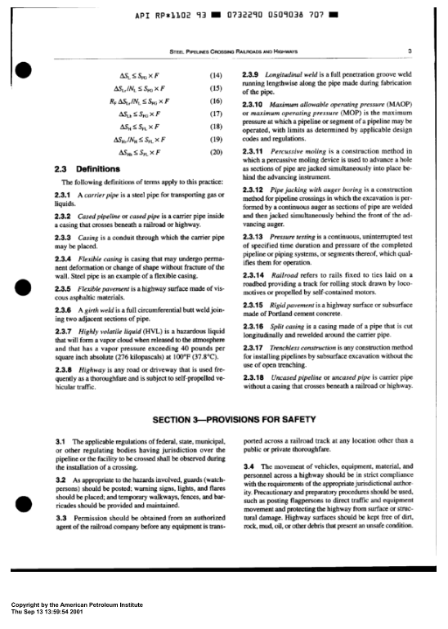
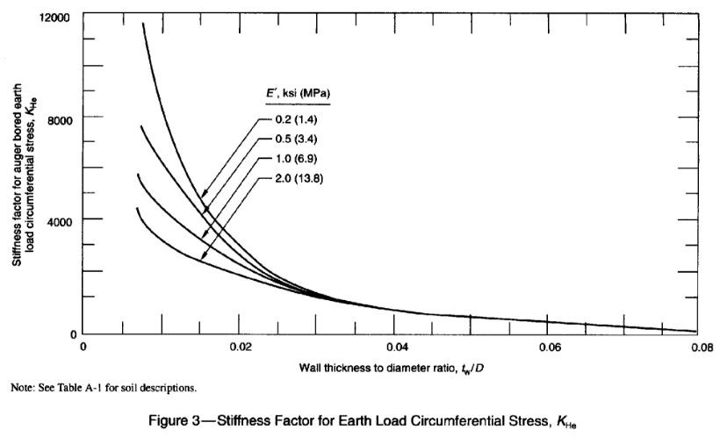
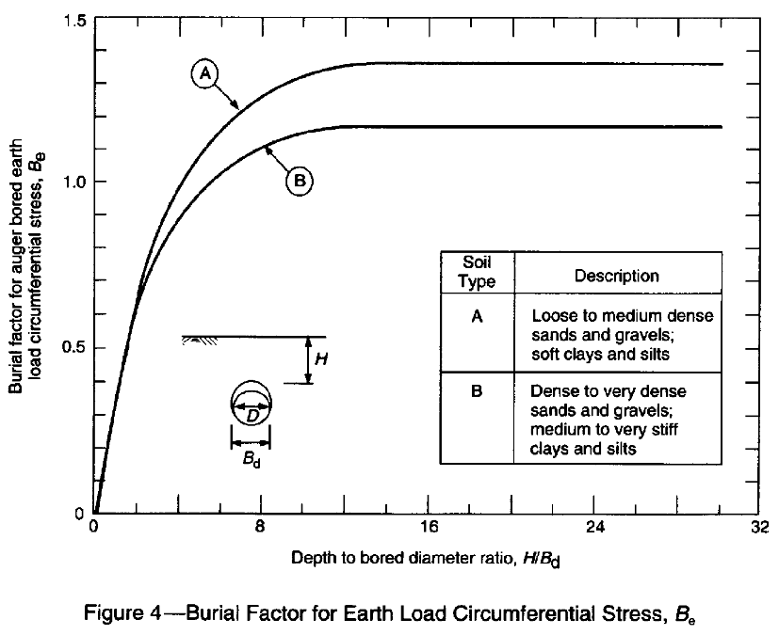
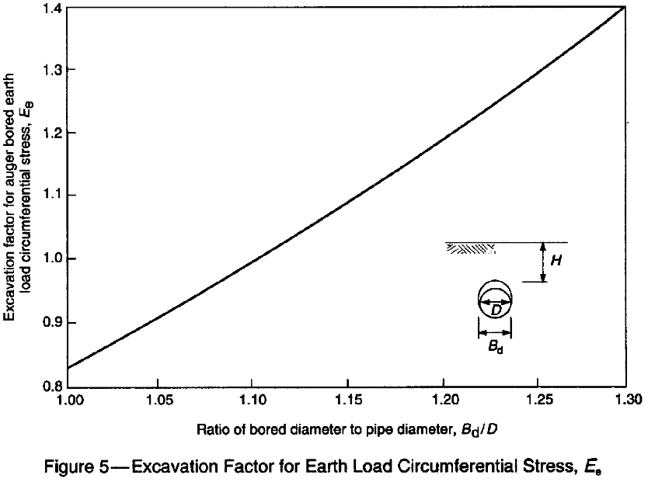
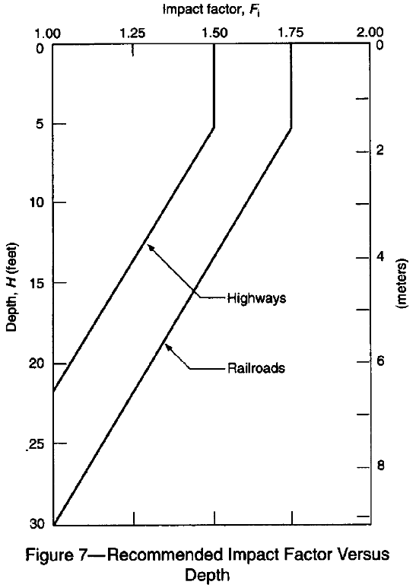
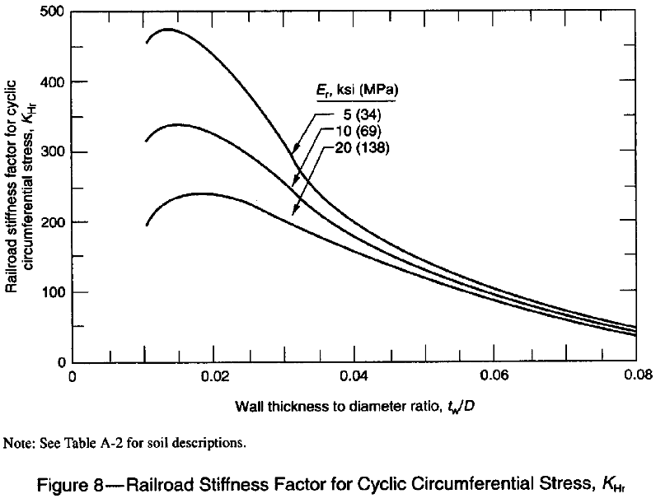
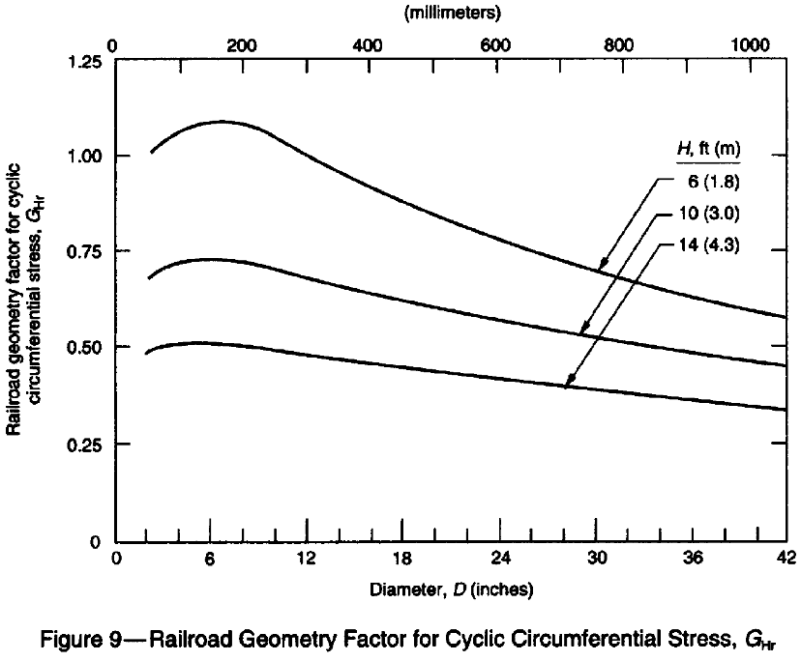
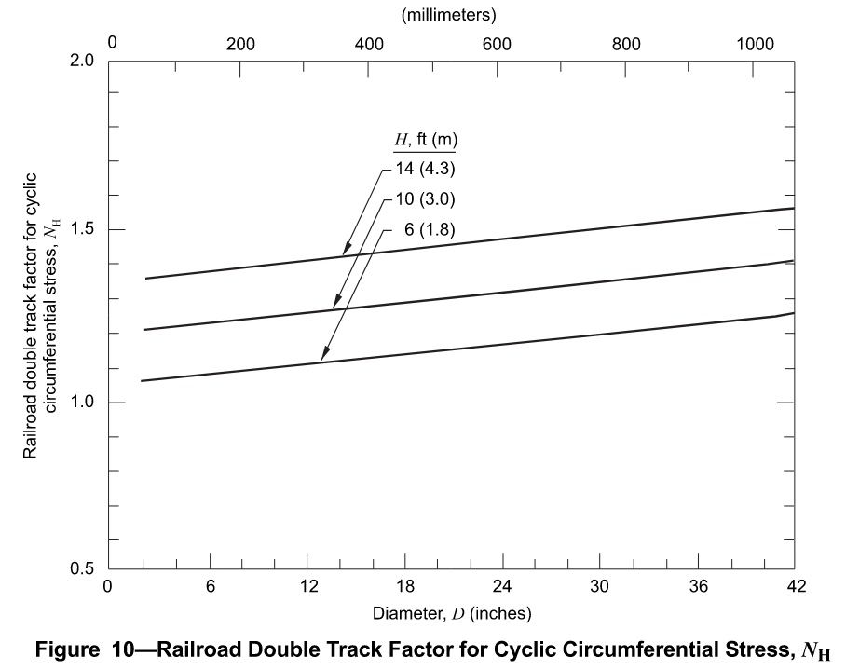
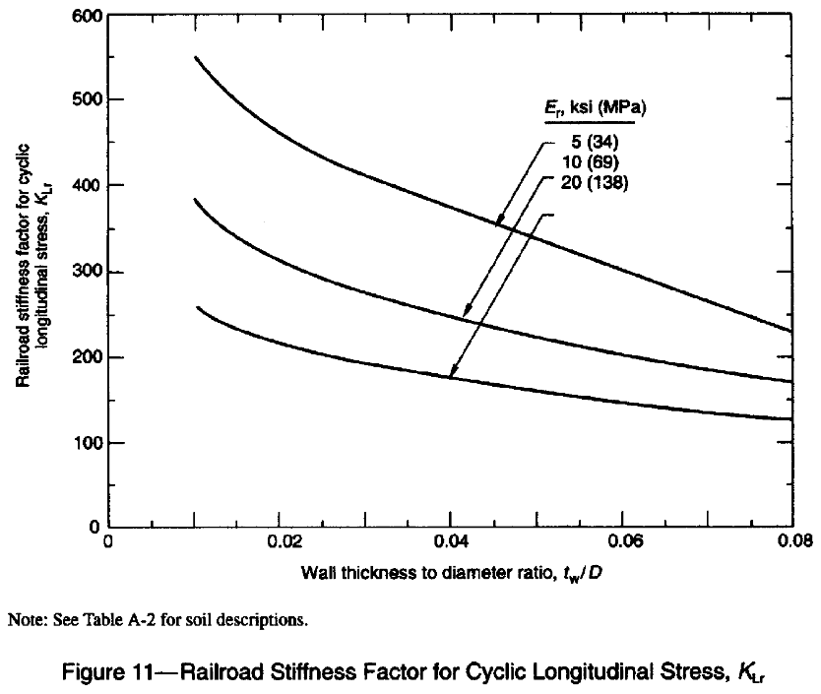
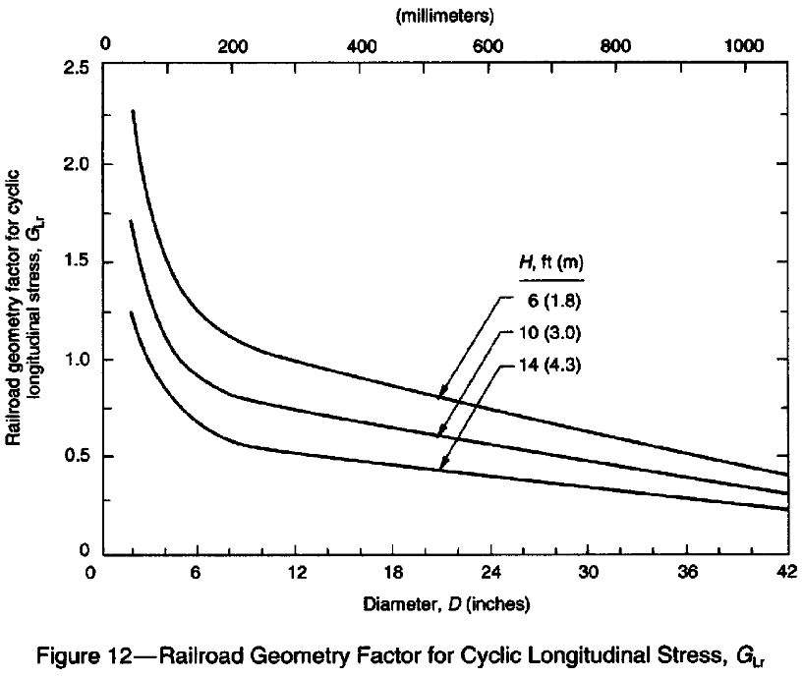
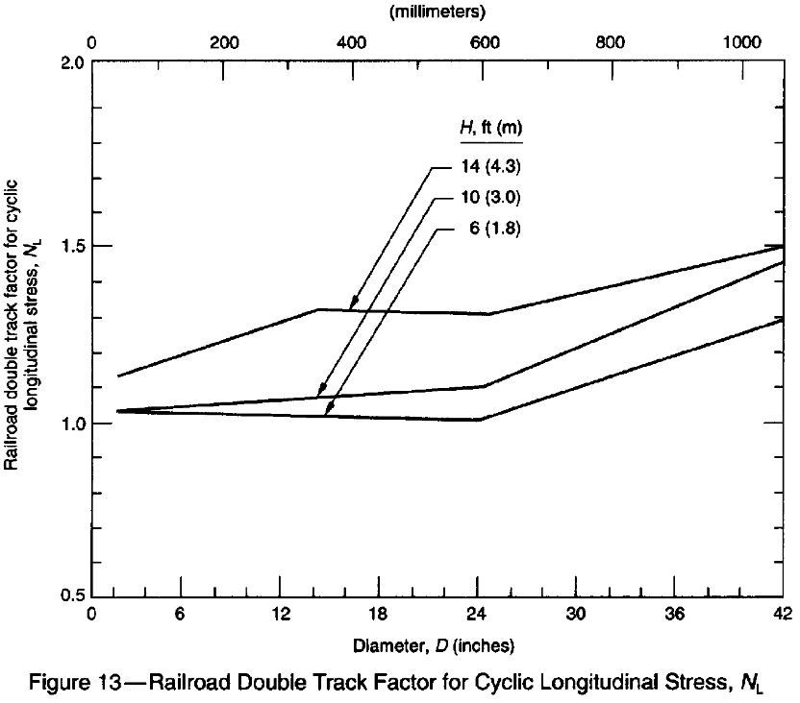
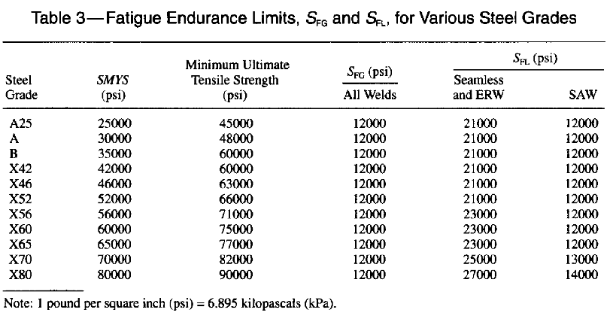
eCFR :: 49 CFR Part 192 Subpart C -- Pipe Design

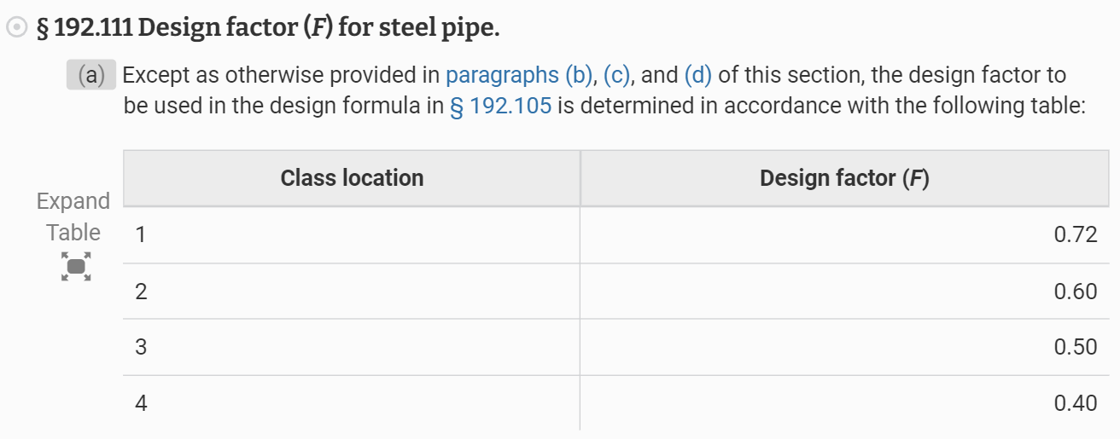

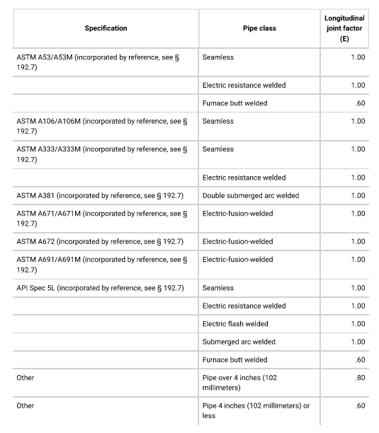

PE Mechanical Reference Handbook
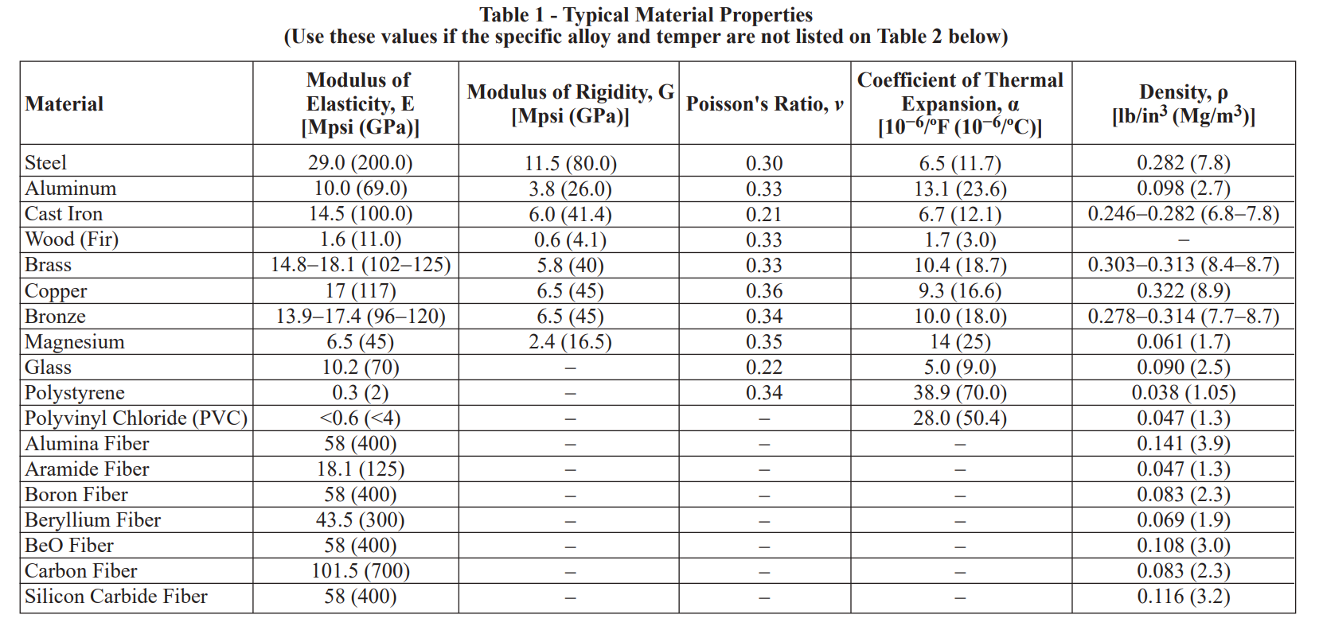

API Recommended Practice 1102, Seventh Edition, December 2007, Reaffirmed June 2024

